Execution Doc
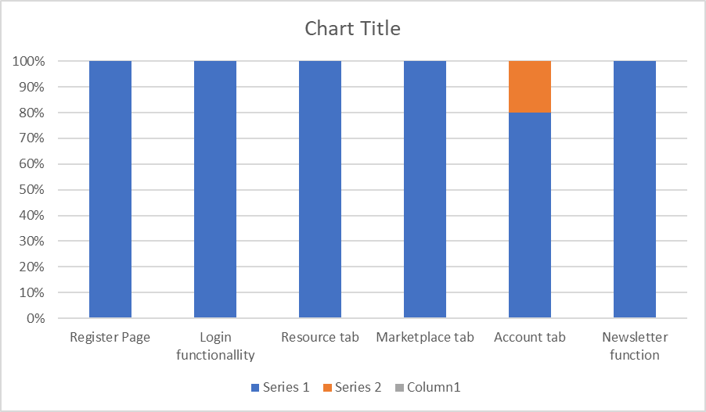
Test Case Execution Document

Module | Status | % Pass | Defect

Validate Register Page
1.Register with Valid Credentials | Pass | 100% | 0
2.Register with invalid Credentials | Pass |  | 0
3.Register with empty fields | Pass |  | 0
Validate Login Functionallity
1.Login with valid credentials | Pass | 100% | 0
2.Login with invalid credentials | Pass |  | 0
3.Login with empty fields | Pass |  | 0
Validate Resource Tab
1.Dropdown Functionallity | Pass | 100% | 0
2.Functionallity of order button . | Pass |  | 0
Validate Marketplace Tab
1.Check functionallity of Search bar | Pass | 100% | 0
2.Check buy option with valid credntials | Pass |  | 0
3.Check buy option with invalid credntial | Pass |  | 0
4.Check opencart version dropdown | Pass |  | 0
5.Check functionallity of sort dropdown | Pass |  | 0
Validate Account Tab
1.Check functionallity of account tab | Pass | 90% | 0
2.Check functionallity of profile picture | Pass |  | 0
3.Check functionallity of profile picture with invalid file | Fail |  | 1
4.Check functionallity of clear picture | Pass |  | 0
5.Check fuctionality of Partner up tab with valid credentials | Pass |  | 0
6.Check fuctionality of Partner up tab with invalid credentials | Pass |  | 0
7.Check fuctionality of Change password with valid credentials | Pass |  | 0
8.Check fuctionality of Change password with invalid credentials | Pass |  | 0
Validate Newsletter function
1.Check fuctionality of sign up to newsletter with valid credentials | Pass | 100% | 0
2.Check fuctionality of sign up to newsletter with invalid credentials | Pass |  | 0
Validate Blog Page
1.To test the functionallity of search box | Pass | 100% | 0
2.To test the functionallity of trending section | Pass |  | 0
3.To test the functionallity of read blog | Pass |  | 0
To Validate the download page
1.To test the functionallity of download localhost link | Pass | 100% | 0
2.To test the functionallity of download extension | Pass |  | 0
To Validate the features page
1.To test the fuctionality of sign up to newsletter with valid credentials | Pass | 100% | 0
2.To test the fuctionality of sign up to newsletter with invalid credentials | Pass |  | 0

